WaterThermistor
 | SENSOR AND CIRCUIT IS SAME AS THAT OF WASHER DRYER

R1 | 3.3 | kΩ | SIGNAL NAME | DESCRIPTION | MCU PIN
T1 | 100 | °C | Water_Temp_Sensor | WATER DRUM TEMPERATURE SENSOR | 75 | Using Equations
R2 | 162.21263957 | kΩ
T2 | 0 | °C |  |  |  | Temp(°C) | Rt(kΩ) | Vo | ADCval | T at ADCval
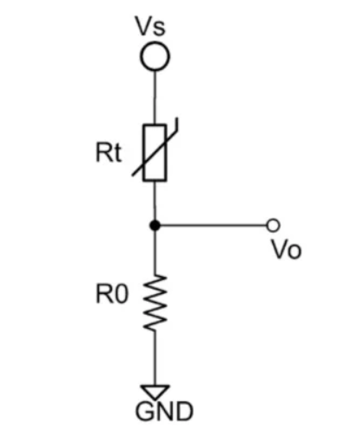
$V_{0}$= $5×\frac{R_{0}}{R_{t}{+R_{0}}}$
$$5V$$
B (0/100) | 3970 | K |  |  |  | 0 | 162.21263957 | 0.644424569 | 527.91260692 | 0
 |  |  |  |  |  | 1 | 153.83687465 | 0.67477569115 | 552.77624619 | 1
Rtmax | 162.2126396 | kΩ |  |  |  | 2 | 145.94981969 | 0.70609077561 | 578.42956338 | 2
Rtmin | 3.3 | kΩ |  |  |  | 3 | 138.51991521 | 0.73837104731 | 604.87356195 | 3
 |  |  |  |  |  | 4 | 131.5178253 | 0.77161572807 | 632.10760444 | 4
Ro opt | 23.136588138 | kΩ |  |  |  | 5 | 124.91626855 | 0.80582196402 | 660.12935292 | 5
Ro used | 24 | kΩ |  |  |  | 6 | 118.68986263 | 0.84098476086 | 688.9347161 | 6
 |  |  |  |  |  | 7 | 112.81498152 | 0.87709692803 | 718.51780344 | 7
Vo max | 4.3956043956 | at Tmax (100°C) |  |  |  | 8 | 107.26962425 | 0.91414903245 | 748.87088738 | 8
Vo min | 0.64442456891 | at Tmin (0°C) |  |  |  | 9 | 102.03329411 | 0.95212936267 | 779.9843739 | 9
 |  |  |  |  |  | 10 | 97.08688751 | 0.99102390414 | 811.84678227 | 10
 |  |  |  |  |  | 11 | 92.412591607 | 1.0308163262 | 844.4447344 | 11
 |  |  |  |  |  | 12 | 87.993790047 | 1.0714879812 | 877.76295416 | 12
 |  |  |  |  |  | 13 | 83.814976044 | 1.1130179165 | 911.78427717 | 13
vo | 0.644424569 |  |  |  |  | 14 | 79.861672243 | 1.1553828993 | 946.48967109 | 14
ADC max | 4096 |  |  |  |  | 15 | 76.120356796 | 1.1985574546 | 981.85826685 | 15
ADC | 527.91260692 |  |  |  |  | 16 | 72.578395125 | 1.2425139167 | 1017.8674006 | 16
T (at any ADC) | 0 |  |  |  |  | 17 | 69.223976914 | 1.2872224933 | 1054.4926665 | 17
 |  |  |  |  |  | 18 | 66.046057906 | 1.332651343 | 1091.7079802 | 18
 |  |  |  |  |  | 19 | 63.034306104 | 1.3787666654 | 1129.4856523 | 19
 |  |  |  |  |  | 20 | 60.179052032 | 1.425532803 | 1167.7964722 | 20
 |  |  |  |  |  | 21 | 57.471242727 | 1.4729123551 | 1206.6098013 | 21
 |  |  |  |  |  | 22 | 54.902399152 | 1.5208663018 | 1245.8936744 | 22
 |  |  |  |  |  | 23 | 52.464576777 | 1.5693541383 | 1285.6149101 | 23
 |  |  |  |  |  | 24 | 50.150329064 | 1.6183340184 | 1325.7392279 | 24
 |  |  |  |  |  | 25 | 47.952673635 | 1.6677629049 | 1366.2313717 | 25
 |  |  |  |  |  | 26 | 45.865060901 | 1.7175967279 | 1407.0552395 | 26
 |  |  |  |  |  | 27 | 43.88134498 | 1.7677905474 | 1448.1740164 | 27
 |  |  |  |  |  | 28 | 41.995756706 | 1.8182987208 | 1489.5503121 | 28
 |  |  |  |  |  | 29 | 40.202878586 | 1.8690750733 | 1531.1463001 | 29
 |  |  |  |  |  | 30 | 38.497621539 | 1.9200730691 | 1572.9238582 | 30
 |  |  |  |  |  | 31 | 36.875203294 | 1.9712459837 | 1614.8447098 | 31
 |  |  |  |  |  | 32 | 35.331128314 | 2.0225470745 | 1656.8705635 | 32
 |  |  |  |  |  | 33 | 33.861169135 | 2.0739297493 | 1698.9632507 | 33
 |  |  |  |  |  | 34 | 32.461349009 | 2.1253477309 | 1741.0848612 | 34
 |  |  |  |  |  | 35 | 31.127925756 | 2.1767552172 | 1783.1978739 | 35
 |  |  |  |  |  | 36 | 29.857376739 | 2.228107035 | 1825.2652831 | 36
 |  |  |  |  |  | 37 | 28.646384869 | 2.2793587879 | 1867.250719 | 37
 |  |  |  |  |  | 38 | 27.491825576 | 2.3304669947 | 1909.118562 | 38
 |  |  |  |  |  | 39 | 26.390754663 | 2.3813892211 | 1950.83405 | 39
 |  |  |  |  |  | 40 | 25.340396993 | 2.4320842011 | 1992.3633775 | 40
 |  |  |  |  |  | 41 | 24.338135928 | 2.4825119483 | 2033.673788 | 41
 |  |  |  |  |  | 42 | 23.381503495 | 2.5326338581 | 2074.7336566 | 42
 |  |  |  |  |  | 43 | 22.468171193 | 2.5824127983 | 2115.5125643 | 43
 |  |  |  |  |  | 44 | 21.595941423 | 2.631813189 | 2155.9813644 | 44
 |  |  |  |  |  | 45 | 20.76273948 | 2.6808010724 | 2196.1122385 | 45
 |  |  |  |  |  | 46 | 19.966606077 | 2.7293441706 | 2235.8787446 | 46
 |  |  |  |  |  | 47 | 19.205690358 | 2.7774119336 | 2275.255856 | 47
 |  |  |  |  |  | 48 | 18.47824336 | 2.8249755759 | 2314.2199918 | 48
 |  |  |  |  |  | 49 | 17.782611914 | 2.8720081035 | 2352.7490384 | 49
 |  |  |  |  |  | 50 | 17.117232925 | 2.9184843304 | 2390.8223635 | 50
 |  |  |  |  |  | 51 | 16.480628032 | 2.9643808862 | 2428.420822 | 51
 |  |  |  |  |  | 52 | 15.871398603 | 3.0096762142 | 2465.5267547 | 52
 |  |  |  |  |  | 53 | 15.288221046 | 3.0543505612 | 2502.1239797 | 53
 |  |  |  |  |  | 54 | 14.729842431 | 3.0983859594 | 2538.197778 | 54
 |  |  |  |  |  | 55 | 14.19507637 | 3.1417662014 | 2573.7348722 | 55
 |  |  |  |  |  | 56 | 13.682799169 | 3.1844768076 | 2608.7234008 | 56
 |  |  |  |  |  | 57 | 13.191946215 | 3.2265049887 | 2643.1528867 | 57
 |  |  |  |  |  | 58 | 12.721508588 | 3.2678396017 | 2677.0142017 | 58
 |  |  |  |  |  | 59 | 12.270529888 | 3.3084711023 | 2710.299527 | 59
 |  |  |  |  |  | 60 | 11.838103244 | 3.3483914922 | 2743.0023104 | 60
 |  |  |  |  |  | 61 | 11.423368526 | 3.3875942632 | 2775.1172204 | 61
 |  |  |  |  |  | 62 | 11.025509707 | 3.4260743385 | 2806.6400981 | 62
 |  |  |  |  |  | 63 | 10.643752401 | 3.4638280118 | 2837.5679073 | 63
 |  |  |  |  |  | 64 | 10.277361541 | 3.5008528838 | 2867.8986824 | 64
 |  |  |  |  |  | 65 | 9.9256392021 | 3.537147798 | 2897.6314761 | 65
 |  |  |  |  |  | 66 | 9.5879225473 | 3.5727127759 | 2926.766306 | 66
 |  |  |  |  |  | 67 | 9.2635819056 | 3.6075489507 | 2955.3041004 | 67
 |  |  |  |  |  | 68 | 8.9520189573 | 3.6416585022 | 2983.246645 | 68
 |  |  |  |  |  | 69 | 8.6526650289 | 3.6750445911 | 3010.596529 | 69
 |  |  |  |  |  | 70 | 8.3649794882 | 3.7077112947 | 3037.3570926 | 70
 |  |  |  |  |  | 71 | 8.0884482332 | 3.7396635427 | 3063.5323742 | 71
 |  |  |  |  |  | 72 | 7.8225822688 | 3.7709070554 | 3089.1270598 | 72
 |  |  |  |  |  | 73 | 7.5669163669 | 3.8014482823 | 3114.1464328 | 73
 |  |  |  |  |  | 74 | 7.3210078028 | 3.8312943426 | 3138.5963255 | 74
 |  |  |  |  |  | 75 | 7.084435165 | 3.8604529683 | 3162.4830716 | 75
 |  |  |  |  |  | 76 | 6.8567972333 | 3.8889324479 | 3185.8134613 | 76
 |  |  |  |  |  | 77 | 6.6377119201 | 3.9167415737 | 3208.5946972 | 77
 |  |  |  |  |  | 78 | 6.4268152723 | 3.9438895897 | 3230.8343519 | 78
 |  |  |  |  |  | 79 | 6.2237605294 | 3.9703861432 | 3252.5403285 | 79
 |  |  |  |  |  | 80 | 6.0282172347 | 3.9962412374 | 3273.7208217 | 80
 |  |  |  |  |  | 81 | 5.8398703962 | 4.0214651876 | 3294.3842817 | 81
 |  |  |  |  |  | 82 | 5.6584196943 | 4.0460685781 | 3314.5393791 | 82
 |  |  |  |  |  | 83 | 5.4835787331 | 4.070062223 | 3334.1949731 | 83
 |  |  |  |  |  | 84 | 5.3150743338 | 4.0934571284 | 3353.3600796 | 84
 |  |  |  |  |  | 85 | 5.1526458663 | 4.1162644568 | 3372.043843 | 85
 |  |  |  |  |  | 86 | 4.9960446181 | 4.1384954941 | 3390.2555088 | 86
 |  |  |  |  |  | 87 | 4.8450331965 | 4.1601616189 | 3408.0043982 | 87
 |  |  |  |  |  | 88 | 4.6993849647 | 4.1812742729 | 3425.2998843 | 88
 |  |  |  |  |  | 89 | 4.5588835072 | 4.2018449345 | 3442.1513704 | 89
 |  |  |  |  |  | 90 | 4.4233221247 | 4.221885094 | 3458.568269 | 90
 |  |  |  |  |  | 91 | 4.2925033557 | 4.2414062302 | 3474.5599838 | 91
 |  |  |  |  |  | 92 | 4.1662385238 | 4.2604197894 | 3490.1358915 | 92
 |  |  |  |  |  | 93 | 4.0443473091 | 4.2789371661 | 3505.3053265 | 93
 |  |  |  |  |  | 94 | 3.9266573421 | 4.2969696849 | 3520.0775659 | 94
 |  |  |  |  |  | 95 | 3.8130038191 | 4.3145285846 | 3534.4618165 | 95
 |  |  |  |  |  | 96 | 3.7032291382 | 4.331625003 | 3548.4672025 | 96
 |  |  |  |  |  | 97 | 3.5971825533 | 4.3482699645 | 3562.1027549 | 97
 |  |  |  |  |  | 98 | 3.4947198472 | 4.364474367 | 3575.3774014 | 98
 |  |  |  |  |  | 99 | 3.395703021 | 4.3802489722 | 3588.299958 | 99
 |  |  |  |  |  | 100 | 3.3 | 4.3956043956 | 3600.8791209 | 100

HeaterThermistor
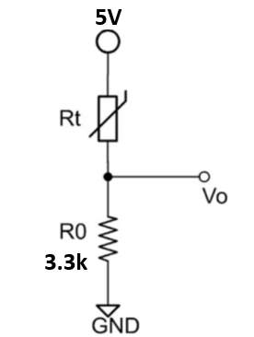
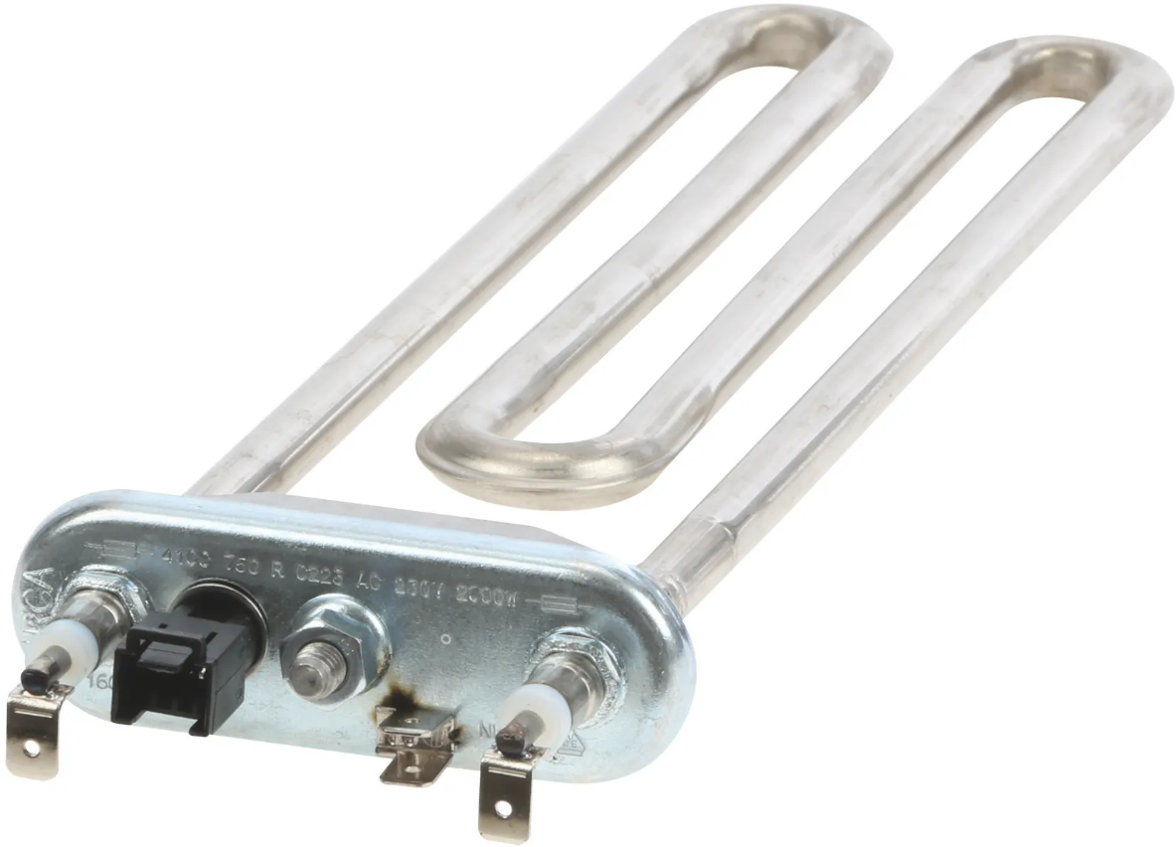
 |  |  |  |  | SIGNAL NAME | DESCRIPTION | MCU PIN
 |  |  |  |  | HEATER_NTC | HEATER TEMPERATURE SENSOR | 76

 |  |  |  |  |  | PROPOSED EQUATION --> T(°C) = 0.0324*ADC - 5.7472

Calculated (our equations)
T(°C) | R(t)(kΩ) (Calc) | Vo (Calc) | ADCval | T(°C) using Curve Equ.
-10 | 65.2822 | 0.2406 | 197.08891771 | 0.63848093373
T(°C) Vs. ADC
-5 | 50.0136 | 0.3095 | 253.5340322 | 2.4673026433
0 | 38.6916 | 0.3929 | 321.89315895 | 4.6821383499
5 | 30.2101 | 0.4924 | 403.36454094 | 7.3218111264 | ACCURACY
10 | 23.7949 | 0.6090 | 498.86844577 | 10.416137643 | 4.16%
15 | 18.8979 | 0.7433 | 608.92249923 | 13.981888975 | -6.79%
20 | 15.1271 | 0.8954 | 733.52727133 | 18.019083591 | -9.90%
25 | 12.1995 | 1.0646 | 872.08095234 | 22.508222856 | -9.97%
30 | 9.9085 | 1.2492 | 1023.3416339 | 27.409068939 | -8.64%
35 | 8.1022 | 1.4471 | 1185.4507785 | 32.661405222 | -6.68%
40 | 6.6680 | 1.6553 | 1356.0221321 | 38.18791708 | -4.53%
45 | 5.5213 | 1.8705 | 1532.2885089 | 43.89894769 | -2.45%
50 | 4.5986 | 2.0890 | 1711.2877082 | 49.698521745 | -0.60%
55 | 3.8515 | 2.3072 | 1890.0616157 | 55.490796349 | 0.89%
60 | 3.2430 | 2.5218 | 2065.8413572 | 61.186059972 | 1.98%
65 | 2.7446 | 2.7297 | 2236.1962133 | 66.70555731 | 2.62%
70 | 2.3340 | 2.9286 | 2399.1329431 | 71.984707355 | 2.84%
75 | 1.9942 | 3.1166 | 2553.1422739 | 76.974609674 | 2.63%
80 | 1.7114 | 3.2925 | 2697.1979231 | 81.642012709 | 2.05% |  | Equation accurate upto +10% above 10°C
85 | 1.4750 | 3.4555 | 2830.7190146 | 85.968096073 | 1.14%
90 | 1.2765 | 3.6054 | 2953.5088307 | 89.946486114 | -0.06% |  | Equation accurate upto +5% above 40°C
95 | 1.1091 | 3.7423 | 3065.6821443 | 93.580901475 | -1.49%
100 | 0.9672 | 3.8667 | 3167.5909931 | 96.882748178 | -3.12% |  | Equation accurate upto +3.2% above 50°C

Heater
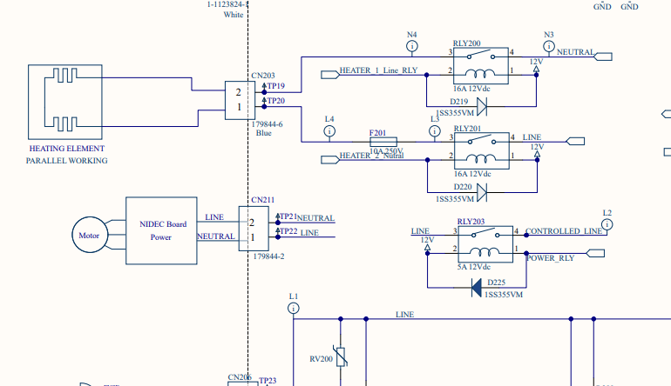
HEATER
 | ON/OFF CONTROL
 | SIGNAL NAME | DESCRIPTION | MCU PIN
 | HEATER_1 | HEATER CONTROL | 25
 | HEATER_2 | HEATER CONTROL | 23

 | TRUTH TABLE
 | HEATER_1 | HEATER_2 | RESULT
 | LOW | LOW | HEATER OFF
 | LOW | HIGH | HEATER OFF
 | HIGH | LOW | HEATER OFF
 | HIGH | HIGH | HEATER ON

NOTE | HEATER can be controller irrespective of the main relay RLY203

GearedMotor
GEARED MOTOR, SENSOR AND CIRCUIT IS SAME AS THAT OF WASHER DRYER

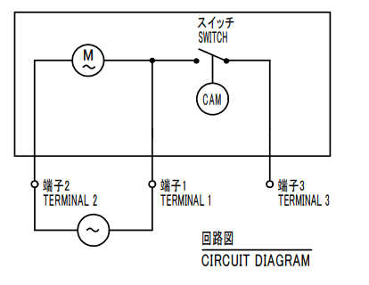
GEARED MOTOR

 | SIGNAL NAME | DESCRIPTION | MCU PIN
 | GEARED MOTOR | GEARED MOTOR CONTROL | 26 | ON/OFF CONTROL
 | GEARED MOTOR_D | GEARED MOTOR DETECTION | 31 | ON/OFF DETECTION

 | TRUTH TABLE
 | GEARED MOTOR | RESULT |  |  | GEARED_MOTOR_D
 | LOW | GEARED MOTOR OFF |  |  | LOW
 | HIGH | GEARRED MOTOR ON |  |  | HIGH

please check with mechanical team, for Clutch functionality when Geared motor is ON and OFF

LidLockMotor
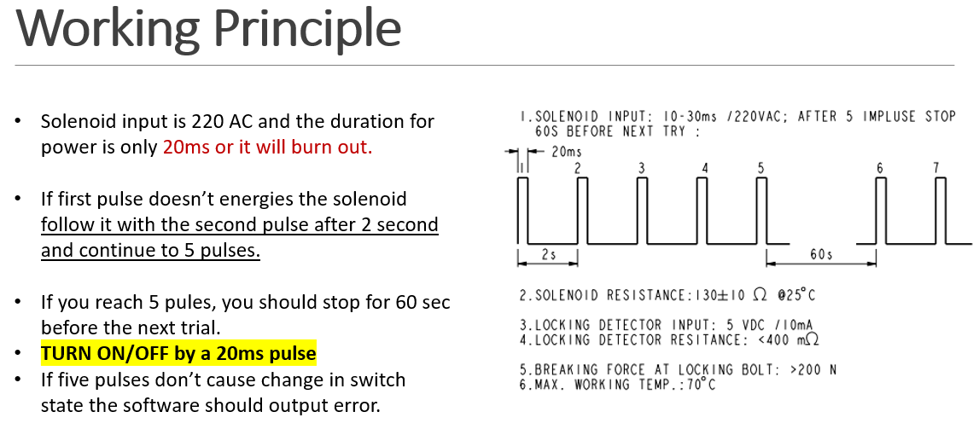
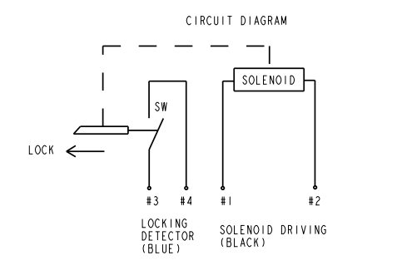
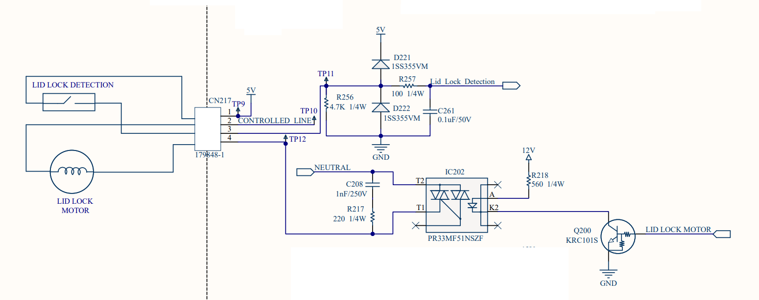
LID LOCK MOTOR |  |  |  |  |  | DATASHEET
 | PULSED CONTROL
 | SIGNAL NAME | DESCRIPTION | MCU PIN
 | LID_LOCK_MOTOR | LID LOCK CONTROL | 52 | PULSED CONTROL
 | Lid_Lock _Detection | LID LOCK DETECTION | 28 | ON/OFF DETECTION

 | TRUTH TABLE
 | LID_LOCK_MOTOR | RESULT |  |  | Lid_Lock_Detection
 | a 20ms pulse | LID LOCK ON |  |  | HIGH
 | a 20ms pulse | LID LOCK OFF |  |  | LOW

